OVERVIEW

TOTALS | Maximum Days
Days
Lodging
Gas
Destinations

Trip1

Gas | $614.19
Lodging | $1,351.80
Destinations | 5
Days | 12

Trip2

Gas | $56.00
Lodging | $0.00
Destinations | 2
Days | 4

Trip3
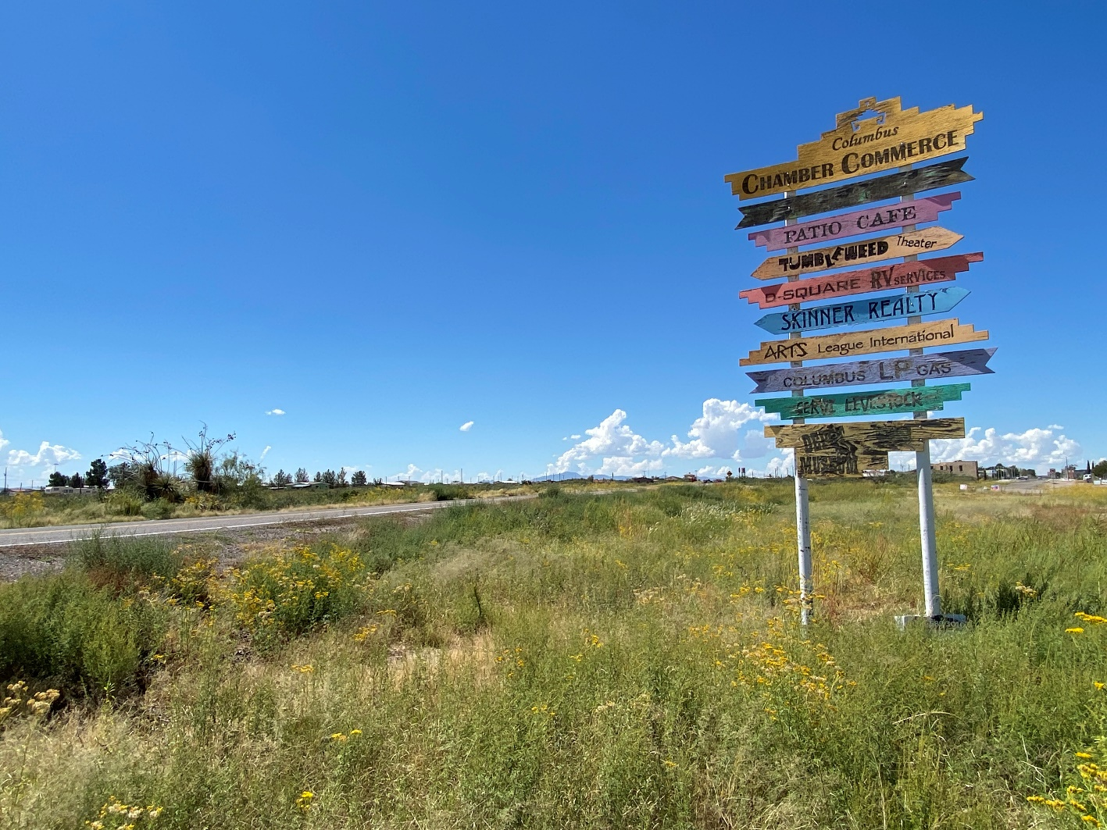
Gas | $499.11
Lodging | $1,349.25
Destinations | 23
Days | 15

Trip4


Gas | $372.00
Lodging | $520.17
Destinations | 6
Days | 4

Trip5

Gas | $103.44
Lodging | $646.09
Destinations | 10
Days | 8

